Sheet1
BACKPACKS, PURSES & LUNCHBAGS

 | Description:Cat & Jack Canvas Backpack
 | Style Number | Retail | Color | Picture | Quantity | Total Retail
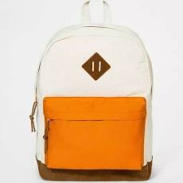

 | 202-07-2893 | $17.99 | Tan /Orange |  | 276

 |  |  |  |  |  | $4,965.24

 | Description: More Than Magic Insulated Lunchbags
 | Style Number | Retail | Color | Picture | Quantity | Total

 | 069-05-8178 | $14.99 | Black/White |  | 90

 |  |  |  |  |  | $1,349.10

 | Description: Cat & Jack Pink Checkered Backpack
 | Style Number | Retail | Color | Picture | Quantity | Total
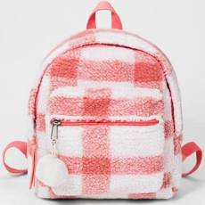

 | 202-04-0154 | $14.99 | Pink/White |  | 132

 |  |  |  |  |  | $1,978.68

 | Description: A New Day Clutch Purse
 | Style Number | Retail | Color | Picture | Quantity | Total
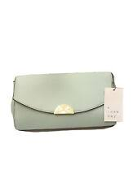

 | 024-04-4023 | $22.99 | Sierra Sage |  | 276

 |  |  |  |  |  | $6,345.24

 | Description: A New Day Clutch Purse
 | Style Number | Retail | Color | Picture | Quantity | Total

 | 024-04-4091 | $22.99 | Tofu |  | 90

 |  |  |  |  |  | $2,069.10

 | Totals |  |  |  | 864 | $16,707.36

